Sheet3
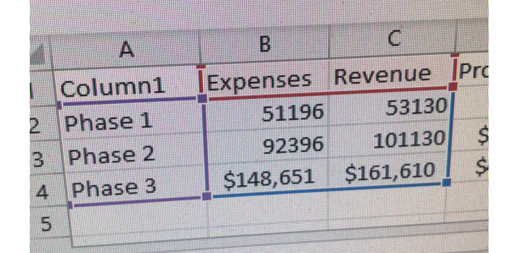
Expenses and Revenue
 | Expenses | Revenue
Phase 1 | 51196 | 53130
Phase 2 | 92396 | 101130
Phase 3 | 148651 | 161610

